Sheet4
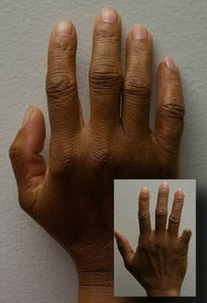
Area of body | Patient type: | Description | link | Picture
finger | adult | For patients who have experienced the loss of a finger(s) due to trauma, | http://www.medicalexpo.com/prod/anaplastology-clinic/product-74910-457590.html
 |  | disease or a congenital condition, a silicone finger prosthesis serves an
 |  | important functional role:
 |  | Protects the surgery site which is commonly hypersensitive
 |  | Typing
 |  | Piano playing
 |  | Clerical work
 |  | Household tasks
 |  | Personal hygiene tasks
 |  | Improved confidence

 |  | Suction retention is the most common method to ensure a
 |  | comfortable and secure fit for a finger prosthesis, though other retention methods,
 |  | such as adhesives, are also available.

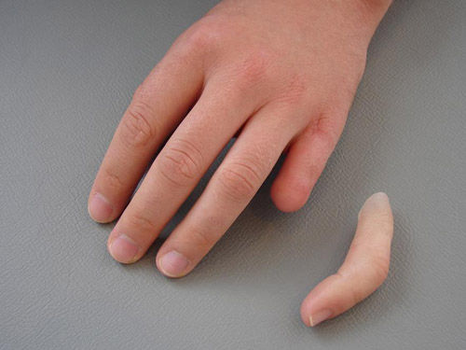
finger | adult | // not mentioned. We need to write on our own while making the data base | http://www.medicalexpo.com/prod/stamos-braun-prothesenwerk/product-110802-775321.html

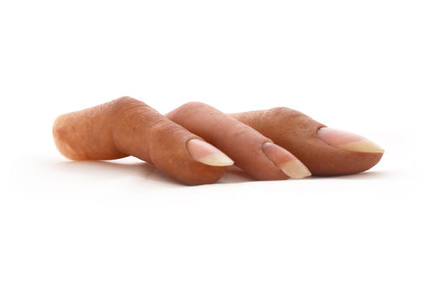
finger | adult | Every prostheses made in our laboratory is custom molded from rubber | http://www.medicalexpo.com/prod/protunix/product-80284-719640.html
 |  | medical grade silicone to ensure a sustainable and secure
 |  | biocompatible and comfortable fit. The layering technique,
 |  | moulding and colour matching used to produce the prosthesis allows an aspect
 |  | that gives life to the member and close to 95% of the ColourMatch tone of the patient’s skin.

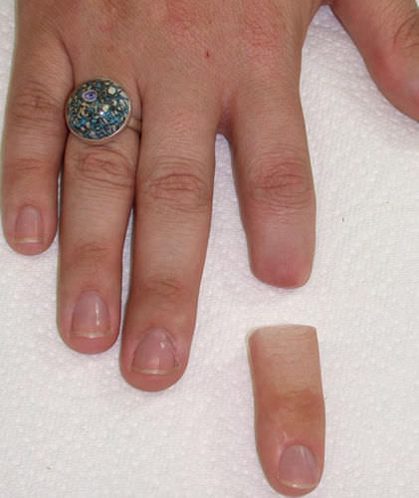
finger | adult | // not mentioned. We need to write on our own while making the data base | http://www.medicalexpo.com/prod/aesthetic-prosthetics/product-80496-507500.html

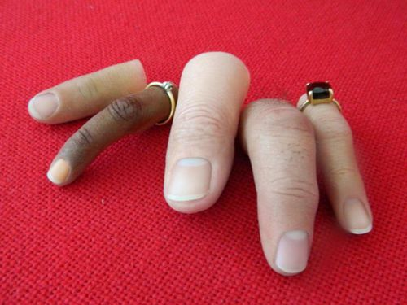
finger | adult | In the case of fingers, for any type of stump the prosthesis is anchored
 |  | to the remaining part of the finger, which must have a minimum length of 1.5 cm. | http://www.medicalexpo.com/prod/ortopedia-protesica-dyval/product-80126-698500.html

